Sheet1
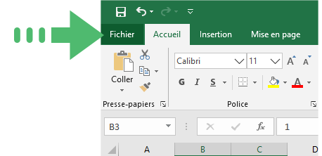
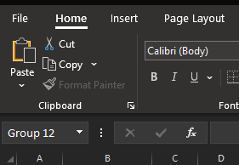
 |  |  |  |  |  | First name:
 |  |  |  |  |  | Last Name:

Day 1 |  |  | Day 2 |  |  | Day 3 |  |  | Day 4

Date: |  |  | Date: |  |  | Date: |  |  | Date:
MORNING |  |  | MORNING |  |  | MORNING |  |  | MORNING
 | MEASURE 1 | MEASURE 2 |  | MEASURE 1 | MEASURE 2 |  | MEASURE 1 | MMEASURE 2 |  | MEASURE 1 | MEASURE 2 |  | x | x | 0
SYSTOLIC |  |  | SYSTOLIC |  |  | SYSTOLIC |  |  | SYSTOLIC |  |  |  | x | x | 0
DIASTOLIC |  |  | DIASTOLIC |  |  | DIASTOLIC |  |  | DIASTOLIC |  |  |  | x | x | 0
PULSE |  |  | PULSE |  |  | PULSE |  |  | PULSE |  |  |  | x | x | 0
EVENING |  |  | EVENING |  |  | EVENING |  |  | EVENING |  |  |  | x | x | 0
 | MEASURE 1 | MEASURE 2 |  | MEASURE 1 | MEASURE 2 |  | MEASURE 1 | MEASURE 2 |  | MEASURE 1 | MEASURE 2 |  | x | x | 0
SYSTOLIC |  |  | SYSTOLIC |  |  | SYSTOLIC |  |  | SYSTOLIC |  |  |  | x | x | 0
DIASTOLIC |  |  | DIASTOLIC |  |  | DIASTOLIC |  |  | DIASTOLIC |  |  |  | x | x | 0
PULSE |  |  | PULSE |  |  | PULSE |  |  | PULSE |  |  |  | x | x | 0
 |  |  |  |  |  |  |  |  |  |  |  |  | x | x | 0
Day 5 |  |  | Day 6 |  |  | Day 7 |  |  | REPORT |  |  |  | 100 | x | 0
 |  |  |  |  |  |  |  |  |  |  |  |  | x | x | 0
Date: |  |  | Date: |  |  | Date: |  |  | Week | from to
MORNING |  |  | MORNING |  |  | MORNING |  |  | AVERAGE |  |  | x | x | x | x | x | x | x | x | x | x | x | x
 | MEASURE 1 | MEASURE 2 |  | MEASURE 1 | MEASURE 2 |  | MEASURE 1 | MEASURE 2 |  | MORNING | EVENING | x | x | x | x | x | x | x | x | x | x | x | x
SYSTOLIC |  |  | SYSTOLIC |  |  | SYSTOLIC | 100 | 50 | SYSTOLIC | 100 |  | 0 | 0 | 0 | 0 | 0 | 0 | 0 | 0 | 0 | 0 | 0 | 0
DIASTOLIC |  |  | DIASTOLIC |  |  | DIASTOLIC |  |  | DIASTOLIC
PULSE |  |  | PULSE |  |  | PULSE |  |  | PULSE |  |  | x | x | x | x | x | x | x | x | x | x | x | x
EVENING |  |  | EVENING |  |  | EVENING |  |  | WEEKLY |  | NUMBER OF | x | x | x | x | x | x | x | x | x | x | x | x
 | MEASURE 1 | MEASURE 2 |  | MEASURE 1 | MEASURE 2 |  | MEASURE 1 | MEASURE 2 | AVERAGE |  | MEASUREMENT | 0 | 0 | 0 | 0 | 0 | 0 | 0 | 0 | 0 | 0 | 0 | 0
SYSTOLIC |  |  | SYSTOLIC |  |  | SYSTOLIC |  |  | SYSTOLIC | 100 | 0
DIASTOLIC |  |  | DIASTOLIC |  |  | DIASTOLIC |  |  | DIASTOLIC
PULSE |  |  | PULSE |  |  | PULSE |  |  | PULSE
If by mistake you enter in a box a letter or a measure that is no possible, the box will turn red.
You can then correct the error. If the error is not corrected, don't worry, the average will still be calculated correctly

Thank you for taking care of your health. Completing this report and sharing the results with your healthcare providers is an excellent initiative! At home, your average blood pressure should be less than 135/85 mm Hg. For people with diabetes, a blood pressure below 130/80 mm Hg would be preferable. All blood pressure readings should be reported, even those that appear too high or too low.

You must enter the date in this format DD/MM/YYYY
 |  |  |  |  |  |  |  |  | Example

 |  |  |  |  |  |  |  |  | Date: | 12/05/2021
 |  |  |  |  |  |  |  |  | MORNING
 |  |  |  |  |  |  |  |  |  | MEASURE 1 | MEASURE 2
 |  |  |  |  |  |  |  |  | SYSTOLIC | 600
 |  |  |  |  |  |  |  |  | DIASTOLIC
You must enter the results of the measurements that you have performed in the grid as presented:
- SYSTOLIC : Upper number example 140
- DIASTOLIC : Lower number example 90
 |  |  |  |  |  |  |  |  | PULSE
 |  |  |  |  |  |  |  |  | SOIR
 |  |  |  |  |  |  |  |  |  | MEASURE 1 | MEASURE 2
 |  |  |  |  |  |  |  |  | SYSTOLIC
 |  |  |  |  |  |  |  |  | DIASTOLIC
 |  |  |  |  |  |  |  |  | PULSE

 |  |  |  | To Print your grid: 1-Press on the file menu at the top left of your screen |  |  |  |  |  | 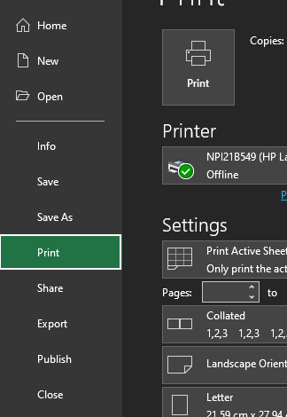 To Print your grid: 2- Select the print menu 3- Select press the print button

